Bug01
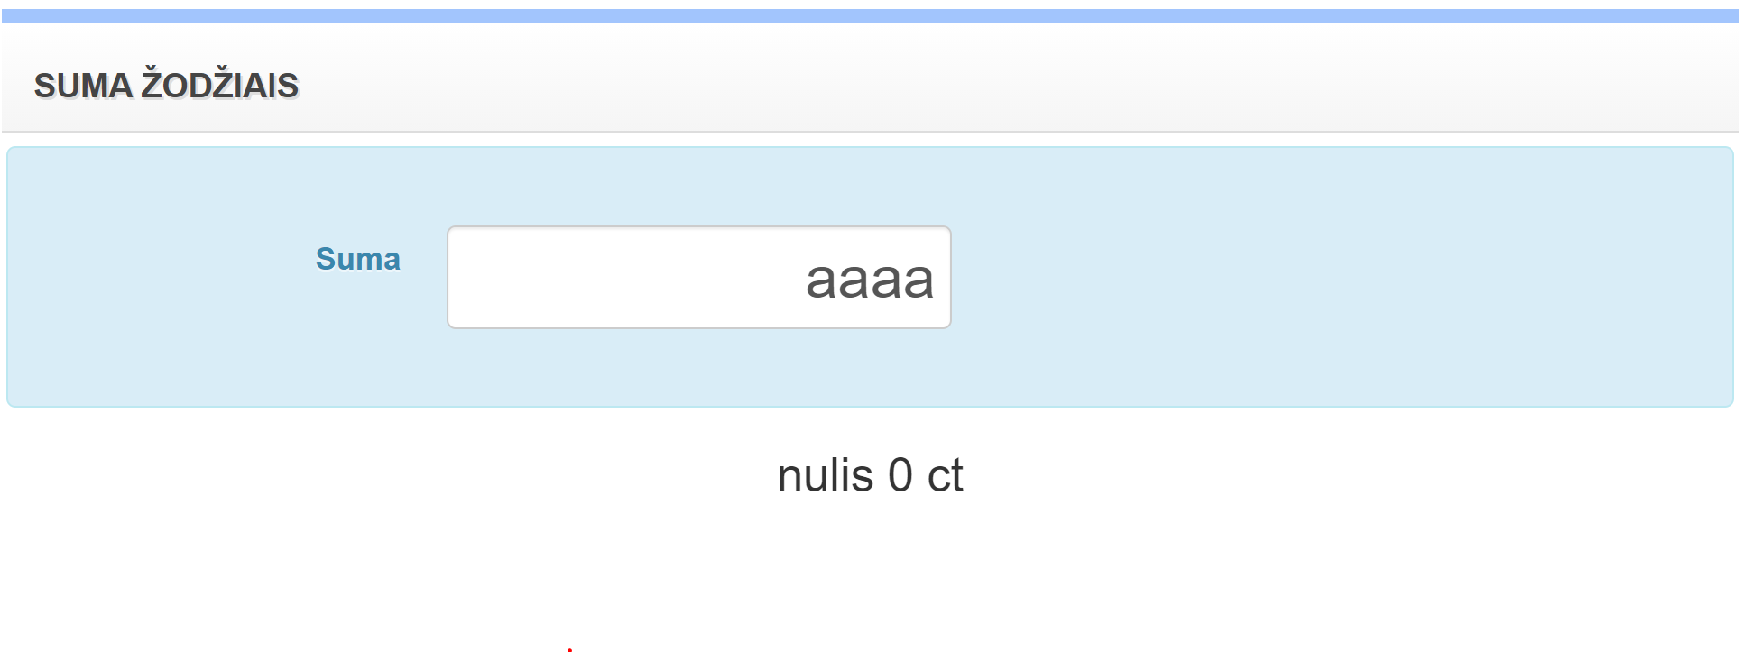
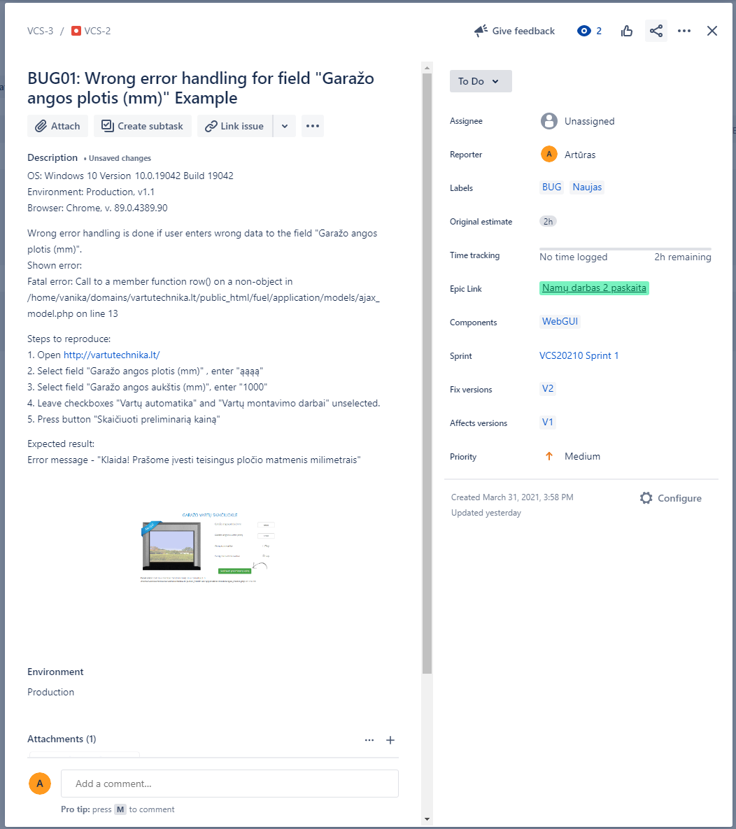
Header: | BUG01: Wrong error handling for field "Suma" | Assignee: | Unassigned
Description: | Wrong error handling occurs if user enters wrong data to the field "Suma". Shown error: nulis 0 ct Steps to reproduce: 1. Open https://www.tax.lt/skaiciuokles/suma_zodziais 2. Select field "Suma" 3. Enter "aaaa" Expected result: Error message - "Klaida! Prašome įvesti duomenis skaičiais." | Reporter: | Guoda Slipkutė
Environment: | Production Browser: Chrome (Version 94.0.4606.61), OS: Windows 10 Home, Version 20H2 Build 19042.1237 | Labels: | BUG, New, Naujas
 |  | Original estimate: | 2h
 |  | Time tracking: | No time logged
 |  | Epic Link: | MT2 - HW (https://www.tax.lt)
 |  | Components: | WebGUI, field "Suma"
Attachments: |  | Sprint: | Sprint 1
 |  | Fix versions: | V1
 |  | Affects versions: | V1
 |  | Priority: | Minor

Bug02
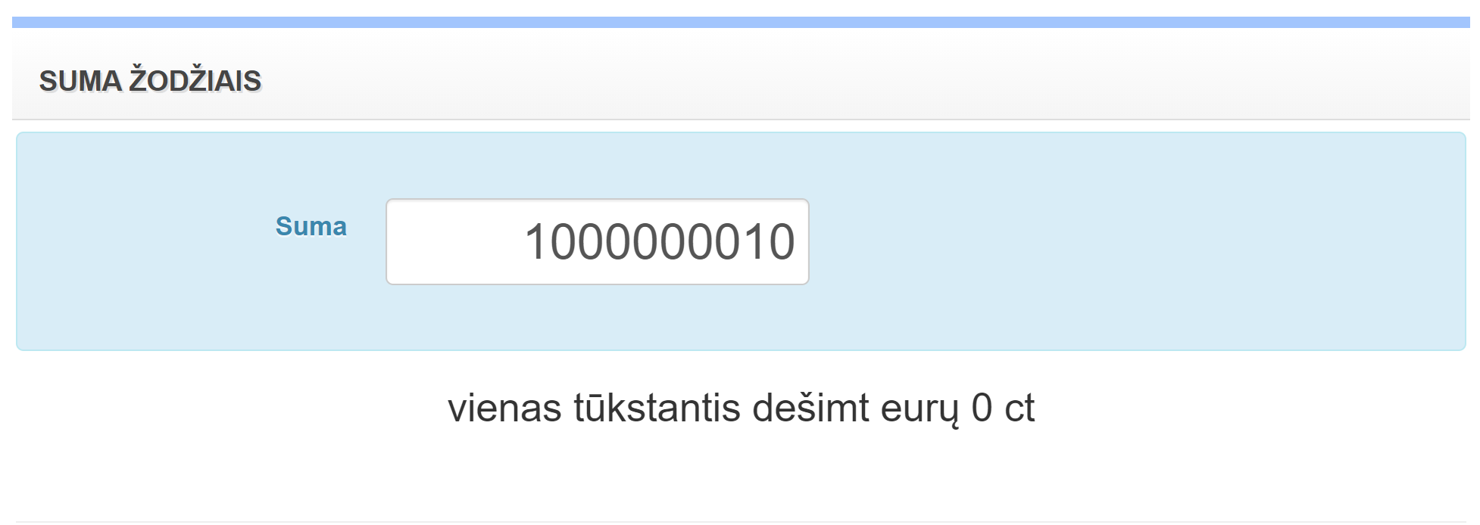
Header: | BUG02: Wrong error handling for field "Suma" | Assignee: | Unassigned
Description: | Wrong error handling occurs if user enters a value that exceeds the maximum boundary value assigned to the field "Suma". Shown error: vienas tūkstantis dešimt eurų 0 ct Steps to reproduce: 1. Open https://www.tax.lt/skaiciuokles/suma_zodziais 2. Select field "Suma" 3. Enter "1000000010" Expected result: Error message - "Klaida! Prašome įvesti ne daugiau kaip 9 skaitmenų eurų suma (max.: 999999999,5(...))." | Reporter: | Guoda Slipkutė
Environment: | Production Browser: Chrome (Version 94.0.4606.61), OS: Windows 10 Home, Version 20H2 Build 19042.1237 | Labels: | BUG, New, Naujas
 |  | Original estimate: | 2h
 |  | Time tracking: | No time logged
 |  | Epic Link: | MT2 - HW (https://www.tax.lt)
 |  | Components: | WebGUI, field "Suma"
Attachments: |  | Sprint: | Sprint 1
 |  | Fix versions: | V1
 |  | Affects versions: | V1
 |  | Priority: | Major

Bug03
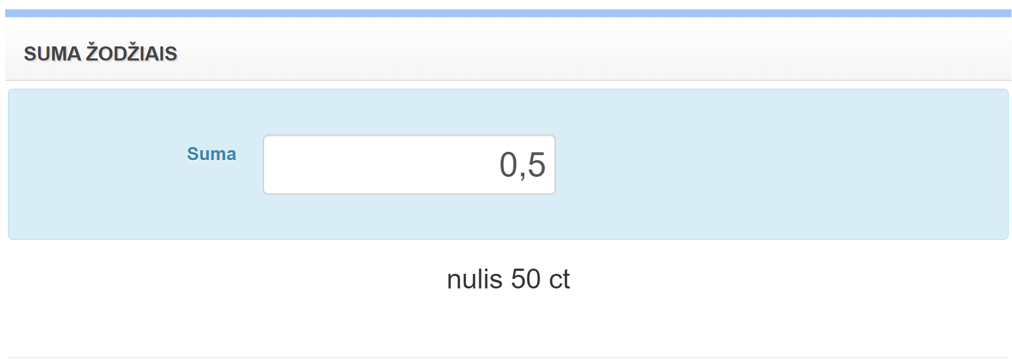
Header: | BUG03: Wrong error handling for field "Suma" | Assignee: | Unassigned
Description: | Wrong error handling occurs if user enters only the "ct" value to the field "Suma". Shown error: nulis 50 ct Steps to reproduce: 1. Open https://www.tax.lt/skaiciuokles/suma_zodziais 2. Select field "Suma" 3. Enter "0,5" Expected result: nulis eurų 50 ct | Reporter: | Guoda Slipkutė
Environment: | Production Browser: Chrome (Version 94.0.4606.61), OS: Windows 10 Home, Version 20H2 Build 19042.1237 | Labels: | BUG, New, Naujas
 |  | Original estimate: | 2h
 |  | Time tracking: | No time logged
 |  | Epic Link: | MT2 - HW (https://www.tax.lt)
 |  | Components: | WebGUI, field "Suma"
Attachments: |  | Sprint: | Sprint 1
 |  | Fix versions: | V1
 |  | Affects versions: | V1
 |  | Priority: | Minor

